Sheet1
Device Model name | SM-G990U

 |  | Bugs/ Issues

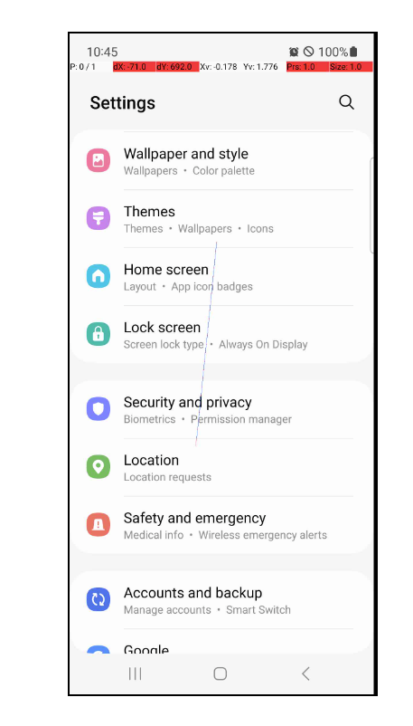
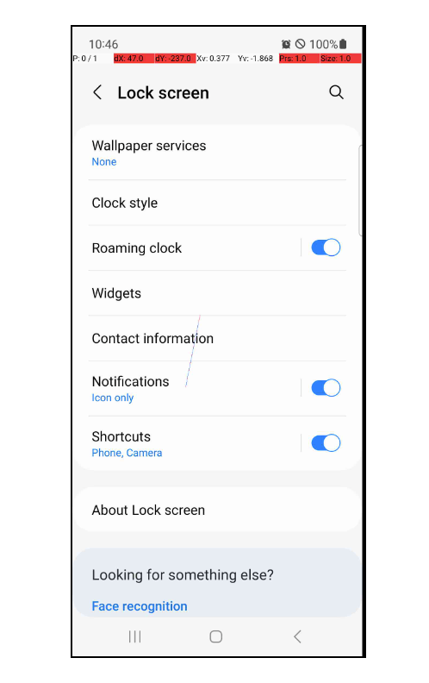
 |  |  | 1. There is a line seen on the screen of the device, while moving the cursor

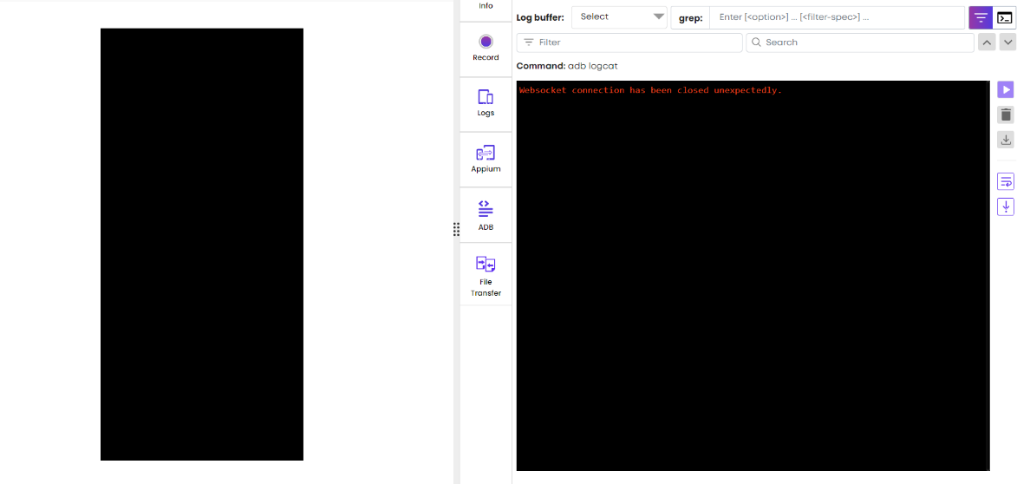
 |  |  | 2. The device screen suddenly blacked out, while in use.

